Detailed Inquiry Information
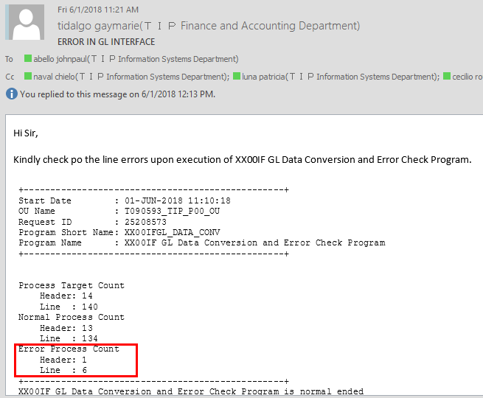
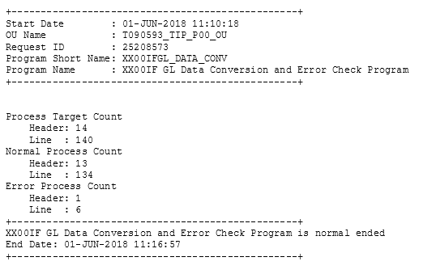
Detailed Inquiry Information

Detailed Investigation Result
Detailed Investigation Result

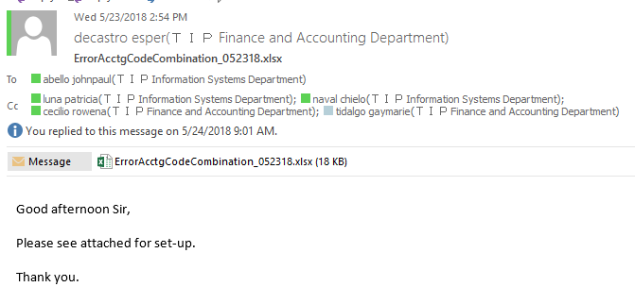

Checking backend

JE_HEADER_NUM | JE_LINE_NUM | JE_CATEGORY_KEY | USER_JE_SOURCE_NAME | ACCOUNTING_DATE | CR_DR_FLAG | PERIOD_NAME | REFERENCE1 | REFERENCE2 | REFERENCE4 | REFERENCE5 | REFERENCE6 | REFERENCE7 | REFERENCE8 | REFERENCE9 | REFERENCE10 | JGZZ_RECON_REF | TAX_REGIME_CODE | TAX | TAX_STATUS_CODE | TAX_JURISDICTION_CODE | TAX_RATE_CODE | TAX_RATE | TAX_LINE_GROUP | SEGMENT1 | SEGMENT2 | SEGMENT3 | SEGMENT4 | SEGMENT5 | SEGMENT6 | SEGMENT7 | SEGMENT8 | SEGMENT9 | SEGMENT10 | SEGMENT11 | CODE_COMBINATION_ID | ATTRIBUTE1 | ATTRIBUTE2 | ATTRIBUTE3 | ATTRIBUTE4 | ATTRIBUTE5 | ATTRIBUTE6 | ATTRIBUTE7 | ATTRIBUTE8 | ATTRIBUTE9 | ATTRIBUTE10 | ATTRIBUTE11 | ATTRIBUTE12 | ATTRIBUTE13 | ATTRIBUTE14 | ATTRIBUTE15 | ATTRIBUTE16 | ATTRIBUTE17 | ATTRIBUTE18 | ATTRIBUTE19 | ATTRIBUTE20 | XX_ATTRIBUTE1 | XX_ATTRIBUTE2 | XX_ATTRIBUTE3 | XX_ATTRIBUTE4 | XX_ATTRIBUTE5 | XX_ATTRIBUTE6 | XX_ATTRIBUTE7 | XX_ATTRIBUTE8 | XX_ATTRIBUTE9 | XX_ATTRIBUTE10 | XX_ATTRIBUTE11 | XX_ATTRIBUTE12 | XX_ATTRIBUTE13 | XX_ATTRIBUTE14 | XX_ATTRIBUTE15 | XX_ATTRIBUTE16 | XX_ATTRIBUTE17 | XX_ATTRIBUTE18 | XX_ATTRIBUTE19 | XX_ATTRIBUTE20 | XX_ATTRIBUTE21 | XX_ATTRIBUTE22 | XX_ATTRIBUTE23 | XX_ATTRIBUTE24 | XX_ATTRIBUTE25 | XX_ATTRIBUTE26 | XX_ATTRIBUTE27 | XX_ATTRIBUTE28 | XX_ATTRIBUTE29 | XX_ATTRIBUTE30 | XX_ATTRIBUTE31 | XX_ATTRIBUTE32 | XX_ATTRIBUTE33 | XX_ATTRIBUTE34 | XX_ATTRIBUTE35 | XX_ATTRIBUTE36 | XX_ATTRIBUTE37 | XX_ATTRIBUTE38 | XX_ATTRIBUTE39 | XX_ATTRIBUTE40 | XX_ATTRIBUTE41 | XX_ATTRIBUTE42 | XX_ATTRIBUTE43 | XX_ATTRIBUTE44 | XX_ATTRIBUTE45 | ENTERED_DR | ENTERED_CR | ACCOUNTED_DR | ACCOUNTED_CR | CURRENCY_CODE | CURRENCY_CONVERSION_DATE | USER_CURRENCY_CONVERSION_TYPE | CURRENCY_CONVERSION_RATE | STATUS | ACTUAL_FLAG | LEDGER_NAME | INVOICE_ID | DISTRIBUTION_LINE_NUMBER | PROCESS_STATUS | ERROR_FLAG | ERROR_MESSAGE | LEGAL_ENTITY_ID | CREATED_BY | CREATION_DATE | LAST_UPDATED_BY | LAST_UPDATE_DATE | LAST_UPDATE_LOGIN | REQUEST_ID | PROGRAM_APPLICATION_ID | PROGRAM_ID | PROGRAM_UPDATE_DATE | ORG_ID | TRANSACTION_ID
2017417 | 2017421 | XXGD4_0014 | T090593_L10_0008 | 2018-05-21 | C | May-18 |  |  |  | 2017417 |  |  |  |  | HPC-Subinventory Transfer |  | PHL_REGIME | PHL_VAT | PHL_TAX_STATUS | PHL_JUR | PHLV00 | 0 |  | T090593 | M10 | L10 | 3002120 | 11101110 | 0 | X2110 | PHL | 0 | 0 | 0 | 21282 |  |  |  |  |  |  |  |  |  |  | T0905930000 |  | UKP |  |  |  |  |  |  |  |  |  |  |  |  |  |  |  |  |  |  |  |  |  |  |  |  |  |  |  |  |  |  |  |  |  |  |  |  |  |  |  |  |  |  |  |  |  |  |  |  |  |  |  |  |  | 66895.73 |  |  | USD | 2018-05-21 | T000000_PHL_Corporate Rate |  | U | A | T090593_TIP_IFRS |  |  | ERROR CHECK FAIL | Y | 1-52*****XXGFAAU_CHK_A35_00407material_classification is null.Source AFF:T090593.M10.L10.3002120.11101110.0000.X2110.PHL.0000000.000000.0000 | 23285 | 7665 | 6/1/18 | 7665 | 6/1/18 | 25650998 | 25208499 | 20009 | 64381 | 6/1/18 | 101 | 2017417

Checkingin masterlist

Actual Operation Evidence
Actual Operation Evidence

JE_HEADER_NUM | JE_LINE_NUM | JE_CATEGORY_KEY | USER_JE_SOURCE_NAME | ACCOUNTING_DATE | CR_DR_FLAG | PERIOD_NAME | REFERENCE1 | REFERENCE2 | REFERENCE4 | REFERENCE5 | REFERENCE6 | REFERENCE7 | REFERENCE8 | REFERENCE9 | REFERENCE10 | JGZZ_RECON_REF | TAX_REGIME_CODE | TAX | TAX_STATUS_CODE | TAX_JURISDICTION_CODE | TAX_RATE_CODE | TAX_RATE | TAX_LINE_GROUP | SEGMENT1 | SEGMENT2 | SEGMENT3 | SEGMENT4 | SEGMENT5 | SEGMENT6 | SEGMENT7 | SEGMENT8 | SEGMENT9 | SEGMENT10 | SEGMENT11 | CODE_COMBINATION_ID | ATTRIBUTE1 | ATTRIBUTE2 | ATTRIBUTE3 | ATTRIBUTE4 | ATTRIBUTE5 | ATTRIBUTE6 | ATTRIBUTE7 | ATTRIBUTE8 | ATTRIBUTE9 | ATTRIBUTE10 | ATTRIBUTE11 | ATTRIBUTE12 | ATTRIBUTE13 | ATTRIBUTE14 | ATTRIBUTE15 | ATTRIBUTE16 | ATTRIBUTE17 | ATTRIBUTE18 | ATTRIBUTE19 | ATTRIBUTE20 | XX_ATTRIBUTE1 | XX_ATTRIBUTE2 | XX_ATTRIBUTE3 | XX_ATTRIBUTE4 | XX_ATTRIBUTE5 | XX_ATTRIBUTE6 | XX_ATTRIBUTE7 | XX_ATTRIBUTE8 | XX_ATTRIBUTE9 | XX_ATTRIBUTE10 | XX_ATTRIBUTE11 | XX_ATTRIBUTE12 | XX_ATTRIBUTE13 | XX_ATTRIBUTE14 | XX_ATTRIBUTE15 | XX_ATTRIBUTE16 | XX_ATTRIBUTE17 | XX_ATTRIBUTE18 | XX_ATTRIBUTE19 | XX_ATTRIBUTE20 | XX_ATTRIBUTE21 | XX_ATTRIBUTE22 | XX_ATTRIBUTE23 | XX_ATTRIBUTE24 | XX_ATTRIBUTE25 | XX_ATTRIBUTE26 | XX_ATTRIBUTE27 | XX_ATTRIBUTE28 | XX_ATTRIBUTE29 | XX_ATTRIBUTE30 | XX_ATTRIBUTE31 | XX_ATTRIBUTE32 | XX_ATTRIBUTE33 | XX_ATTRIBUTE34 | XX_ATTRIBUTE35 | XX_ATTRIBUTE36 | XX_ATTRIBUTE37 | XX_ATTRIBUTE38 | XX_ATTRIBUTE39 | XX_ATTRIBUTE40 | XX_ATTRIBUTE41 | XX_ATTRIBUTE42 | XX_ATTRIBUTE43 | XX_ATTRIBUTE44 | XX_ATTRIBUTE45 | ENTERED_DR | ENTERED_CR | ACCOUNTED_DR | ACCOUNTED_CR | CURRENCY_CODE | CURRENCY_CONVERSION_DATE | USER_CURRENCY_CONVERSION_TYPE | CURRENCY_CONVERSION_RATE | STATUS | ACTUAL_FLAG | LEDGER_NAME | INVOICE_ID | DISTRIBUTION_LINE_NUMBER | PROCESS_STATUS | ERROR_FLAG | ERROR_MESSAGE | LEGAL_ENTITY_ID | CREATED_BY | CREATION_DATE | LAST_UPDATED_BY | LAST_UPDATE_DATE | LAST_UPDATE_LOGIN | REQUEST_ID | PROGRAM_APPLICATION_ID | PROGRAM_ID | PROGRAM_UPDATE_DATE | ORG_ID | TRANSACTION_ID
2017417 | 2017421 | XXGD4_0014 | T090593_L10_0008 | 2018-05-21 | C | May-18 |  |  |  | 2017417 |  |  |  |  | HPC-Subinventory Transfer |  | PHL_REGIME | PHL_VAT | PHL_TAX_STATUS | PHL_JUR | PHLV00 | 0 |  | T090593 | M10 | L10 | 3002120 | 11101110 | 0 | X2110 | PHL | 0 | 0 | 0 | 21282 |  |  |  |  |  |  |  |  |  |  | T0905930000 |  | UKP |  |  |  |  |  |  |  |  |  |  |  |  |  |  |  |  |  |  |  |  |  |  |  |  |  |  |  |  |  |  |  |  |  |  |  |  |  |  |  |  |  |  |  |  |  |  |  |  |  |  |  |  |  | 66895.73 |  |  | USD | 2018-05-21 | T000000_PHL_Corporate Rate |  | U | A | T090593_TIP_IFRS |  |  | ERROR CHECK FAIL | Y | 1-52*****XXGFAAU_CHK_A35_00407material_classification is null.Source AFF:T090593.M10.L10.3002120.11101110.0000.X2110.PHL.0000000.000000.0000 | 23285 | 7665 | 6/1/18 | 7665 | 6/1/18 | 25650998 | 25208499 | 20009 | 64381 | 6/1/18 | 101 | 2017417

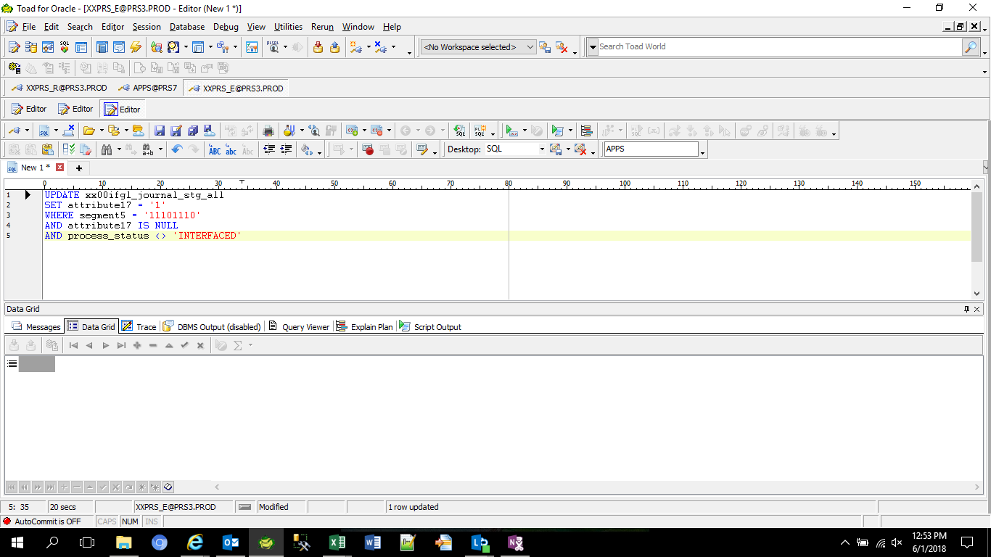

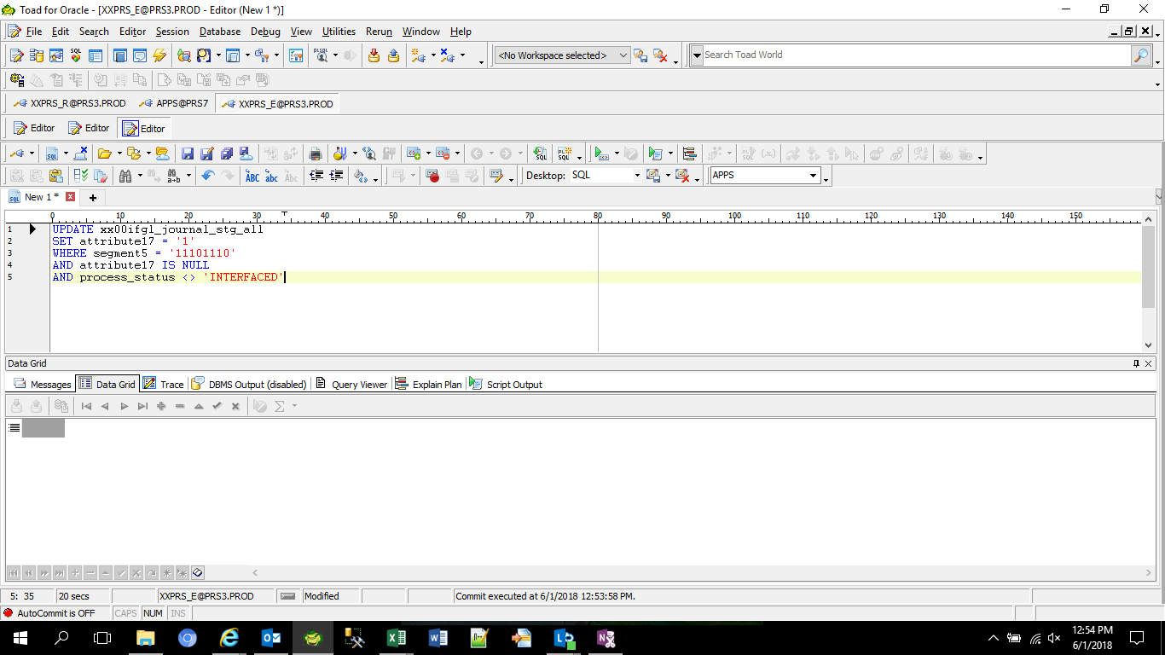

After Recovery

JE_HEADER_NUM | JE_LINE_NUM | JE_CATEGORY_KEY | USER_JE_SOURCE_NAME | ACCOUNTING_DATE | CR_DR_FLAG | PERIOD_NAME | REFERENCE1 | REFERENCE2 | REFERENCE4 | REFERENCE5 | REFERENCE6 | REFERENCE7 | REFERENCE8 | REFERENCE9 | REFERENCE10 | JGZZ_RECON_REF | TAX_REGIME_CODE | TAX | TAX_STATUS_CODE | TAX_JURISDICTION_CODE | TAX_RATE_CODE | TAX_RATE | TAX_LINE_GROUP | SEGMENT1 | SEGMENT2 | SEGMENT3 | SEGMENT4 | SEGMENT5 | SEGMENT6 | SEGMENT7 | SEGMENT8 | SEGMENT9 | SEGMENT10 | SEGMENT11 | CODE_COMBINATION_ID | ATTRIBUTE1 | ATTRIBUTE2 | ATTRIBUTE3 | ATTRIBUTE4 | ATTRIBUTE5 | ATTRIBUTE6 | ATTRIBUTE7 | ATTRIBUTE8 | ATTRIBUTE9 | ATTRIBUTE10 | ATTRIBUTE11 | ATTRIBUTE12 | ATTRIBUTE13 | ATTRIBUTE14 | ATTRIBUTE15 | ATTRIBUTE16 | ATTRIBUTE17 | ATTRIBUTE18 | ATTRIBUTE19 | ATTRIBUTE20 | XX_ATTRIBUTE1 | XX_ATTRIBUTE2 | XX_ATTRIBUTE3 | XX_ATTRIBUTE4 | XX_ATTRIBUTE5 | XX_ATTRIBUTE6 | XX_ATTRIBUTE7 | XX_ATTRIBUTE8 | XX_ATTRIBUTE9 | XX_ATTRIBUTE10 | XX_ATTRIBUTE11 | XX_ATTRIBUTE12 | XX_ATTRIBUTE13 | XX_ATTRIBUTE14 | XX_ATTRIBUTE15 | XX_ATTRIBUTE16 | XX_ATTRIBUTE17 | XX_ATTRIBUTE18 | XX_ATTRIBUTE19 | XX_ATTRIBUTE20 | XX_ATTRIBUTE21 | XX_ATTRIBUTE22 | XX_ATTRIBUTE23 | XX_ATTRIBUTE24 | XX_ATTRIBUTE25 | XX_ATTRIBUTE26 | XX_ATTRIBUTE27 | XX_ATTRIBUTE28 | XX_ATTRIBUTE29 | XX_ATTRIBUTE30 | XX_ATTRIBUTE31 | XX_ATTRIBUTE32 | XX_ATTRIBUTE33 | XX_ATTRIBUTE34 | XX_ATTRIBUTE35 | XX_ATTRIBUTE36 | XX_ATTRIBUTE37 | XX_ATTRIBUTE38 | XX_ATTRIBUTE39 | XX_ATTRIBUTE40 | XX_ATTRIBUTE41 | XX_ATTRIBUTE42 | XX_ATTRIBUTE43 | XX_ATTRIBUTE44 | XX_ATTRIBUTE45 | ENTERED_DR | ENTERED_CR | ACCOUNTED_DR | ACCOUNTED_CR | CURRENCY_CODE | CURRENCY_CONVERSION_DATE | USER_CURRENCY_CONVERSION_TYPE | CURRENCY_CONVERSION_RATE | STATUS | ACTUAL_FLAG | LEDGER_NAME | INVOICE_ID | DISTRIBUTION_LINE_NUMBER | PROCESS_STATUS | ERROR_FLAG | ERROR_MESSAGE | LEGAL_ENTITY_ID | CREATED_BY | CREATION_DATE | LAST_UPDATED_BY | LAST_UPDATE_DATE | LAST_UPDATE_LOGIN | REQUEST_ID | PROGRAM_APPLICATION_ID | PROGRAM_ID | PROGRAM_UPDATE_DATE | ORG_ID | TRANSACTION_ID
2017417 | 2017419 | XXGD4_0014 | T090593_L10_0008 | 2018-05-21 | C | May-18 |  |  |  | 2017417 |  |  |  |  | HPC-Sales Order Shipment |  | PHL_REGIME | PHL_VAT | PHL_TAX_STATUS | PHL_JUR | PHLV00 | 0 |  | T090593 | M10 | L10 | 3002120 | 11101110 | 0 | X2110 | PHL | 0 | 0 | 0 | 21282 |  |  |  |  |  |  |  |  |  |  | T0905930000 |  | UKP |  |  |  | 1 |  |  |  |  |  |  |  |  |  |  |  |  |  |  |  |  |  |  |  |  |  |  |  |  |  |  |  |  |  |  |  |  |  |  |  |  |  |  |  |  |  |  |  |  |  |  |  |  |  | 333464.19 |  |  | USD | 2018-05-21 | T000000_PHL_Corporate Rate |  | U | A | T090593_TIP_IFRS |  |  | EXTRACTED |  |  | 23285 | 7665 | 6/1/18 | 7665 | 6/1/18 | 25650998 | 25208499 | 20009 | 64381 | 6/1/18 | 101 | 2017417
2017417 | 2017420 | XXGD4_0014 | T090593_L10_0008 | 2018-05-21 | D | May-18 |  |  |  | 2017417 |  |  |  |  | HPC-Subinventory Transfer |  | PHL_REGIME | PHL_VAT | PHL_TAX_STATUS | PHL_JUR | PHLV00 | 0 |  | T090593 | M10 | L10 | 3002120 | 11101110 | 0 | X2110 | PHL | 0 | 0 | 0 | 21282 |  |  |  |  |  |  |  |  |  |  | T0905930000 |  | UKP |  |  |  | 1 |  |  |  |  |  |  |  |  |  |  |  |  |  |  |  |  |  |  |  |  |  |  |  |  |  |  |  |  |  |  |  |  |  |  |  |  |  |  |  |  |  |  |  |  |  |  |  |  | 400359.92 |  |  |  | USD | 2018-05-21 | T000000_PHL_Corporate Rate |  | U | A | T090593_TIP_IFRS |  |  | EXTRACTED |  |  | 23285 | 7665 | 6/1/18 | 7665 | 6/1/18 | 25650998 | 25208499 | 20009 | 64381 | 6/1/18 | 101 | 2017417
2017417 | 2017421 | XXGD4_0014 | T090593_L10_0008 | 2018-05-21 | C | May-18 |  |  |  | 2017417 |  |  |  |  | HPC-Subinventory Transfer |  | PHL_REGIME | PHL_VAT | PHL_TAX_STATUS | PHL_JUR | PHLV00 | 0 |  | T090593 | M10 | L10 | 3002120 | 11101110 | 0 | X2110 | PHL | 0 | 0 | 0 | 21282 |  |  |  |  |  |  |  |  |  |  | T0905930000 |  | UKP |  |  |  | 1 |  |  |  |  |  |  |  |  |  |  |  |  |  |  |  |  |  |  |  |  |  |  |  |  |  |  |  |  |  |  |  |  |  |  |  |  |  |  |  |  |  |  |  |  |  |  |  |  |  | 66895.73 |  |  | USD | 2018-05-21 | T000000_PHL_Corporate Rate |  | U | A | T090593_TIP_IFRS |  |  | ERROR CHECK FAIL | Y | 1-52*****XXGFAAU_CHK_A35_00407material_classification is null.Source AFF:T090593.M10.L10.3002120.11101110.0000.X2110.PHL.0000000.000000.0000 | 23285 | 7665 | 6/1/18 | 7665 | 6/1/18 | 25650998 | 25208499 | 20009 | 64381 | 6/1/18 | 101 | 2017417

Helpdesk Request
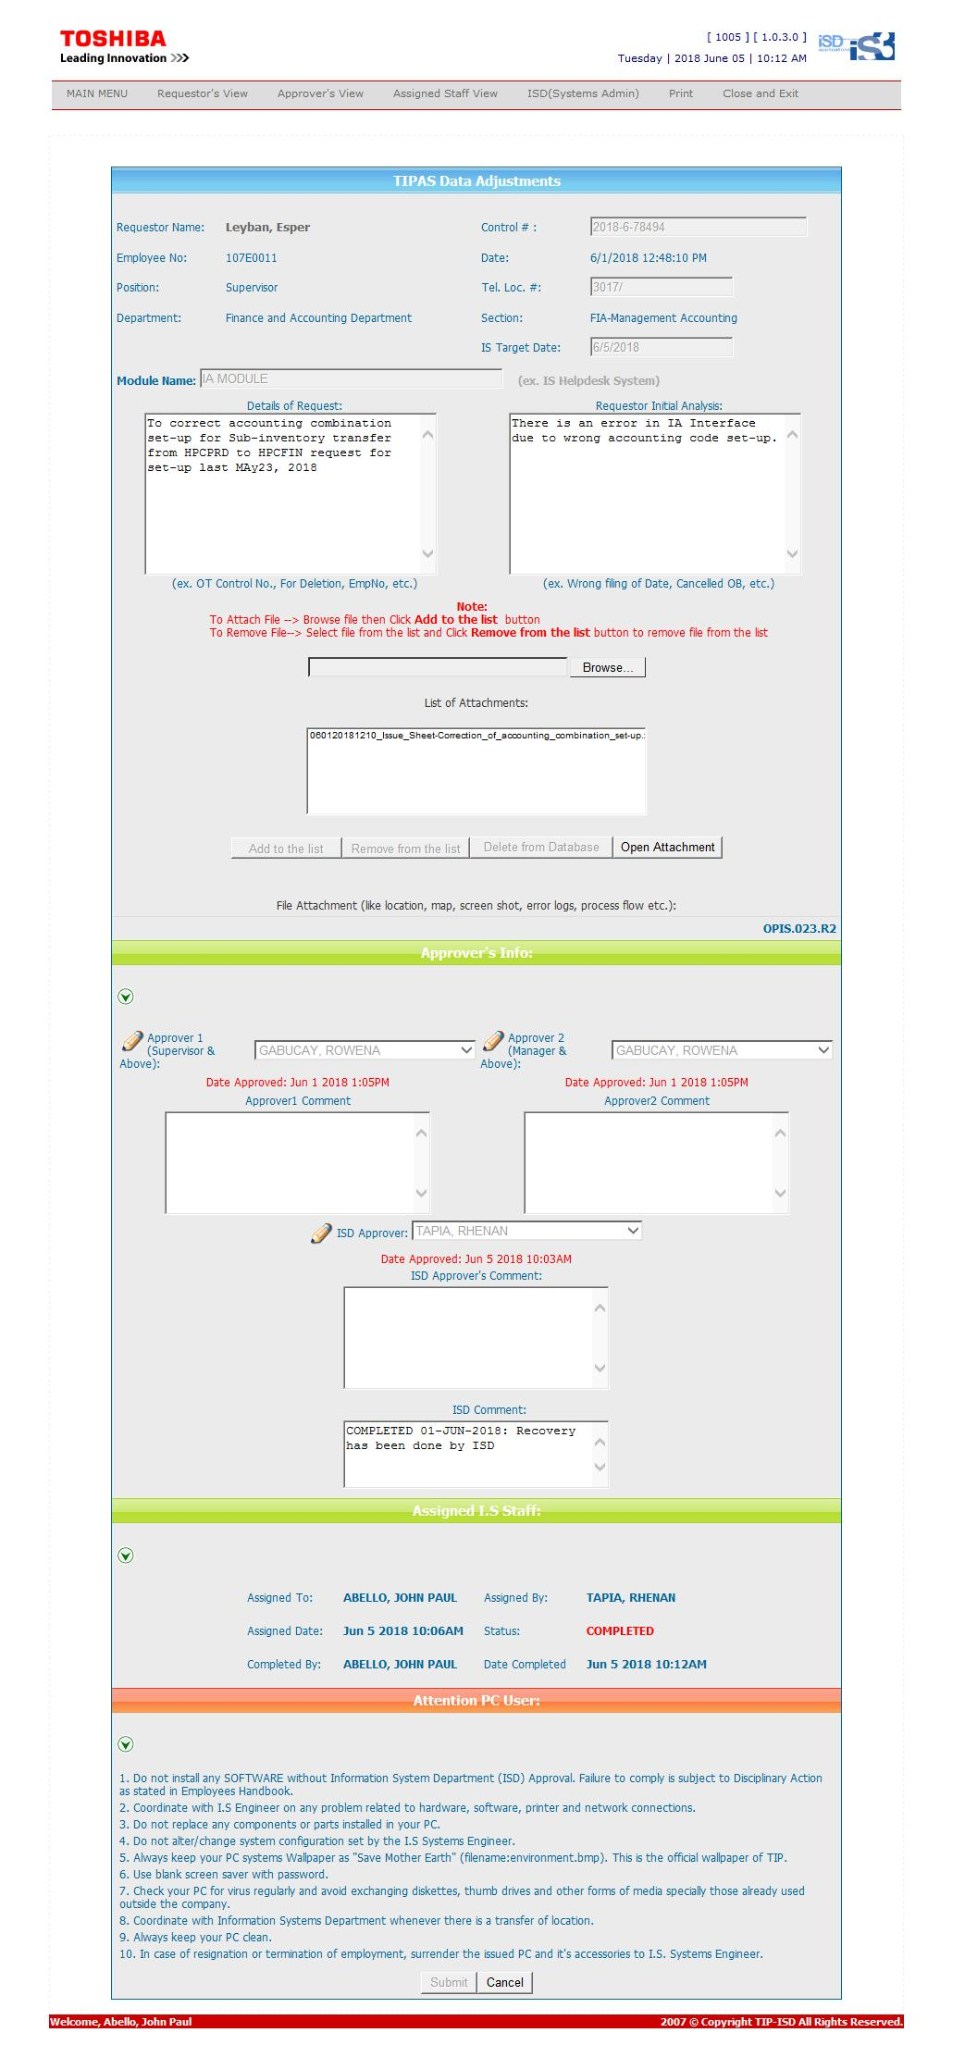
Helpdesk Request

